PRELIMINARY CALCULATION
BASIS DESIGN
PARAMETER | VALUE | STATUS |  |  | Torent di toko |  | Engineering Calculation |  | VALIDATION ENGINEERING |  | Design Concept
Carbon per Batch | 1000 kg | FIXED |  |  | Parameter | Hasil | Parameter | Hasil | CHECK | STATUS | Komponen | Rev.0
Asal Carbon | Zadra Stripping | FIXED |  |  | Diameter Toren | 1.50 m | Diameter Toren | 1.50 m | Konversi Ukuran & Volume silinder | PASS | Column Bottom | Conical bottom
Tujuan Carbon | CIL Tank | FIXED |  |  | Tinggi | 2.30 m | Tinggi | 2.83 m | Perhitungan volume carbon | PASS/ASSUMED | Acid Feed | Bottom Inlet, Upward flow
Reagen Acid Wash | HCl | FIXED |  |  | Volume tabung ideal | 4.064 m3 | Volume tabung ideal | 5000 m3 | Tinggi Bed dan Freeboard | PASS/ASSUMED | Liquid return | Top overflow by gravity
Acid Wash Vessel | Toren 5000 L | FIXED |  |  | Carbon per batch | 1000 kg | Carbon per batch | 1000 kg | Volume Inventory HCl | HOLD | Carbon retaining screen | Di jalur overflow
Recirculation Tank | Toren 5000 L | FIXED |  |  | Volume bed carbon | 1.132 m | Volume bed carbon | 1.132 m | Recirculation Hydraulic duty | PRELIMINARY | Carbon Discharge | bottom gravity
Temperature | Ambient | HOLD |  |  | Freeboard | 1.168 m | Freeboard | 1.168 m | Carbon transfer hydraulic duty | PRELIMINARY | Recirculation pump | Reference: 4 m3/h
Konsentrasi HCl | Unknown | HOLD |  |  | Sisa volume geometris | 2.064 m3 | Sisa volume geometris | 3000 m3 | Cyanide Residue Verification | HOLD | Carbon transfer to CIL | Jalur terpisah
Carbon Bulk Density | 450-550 kg/m3 | ESTIMATE |  |  | Persentase volume bed | 40% | Persentase volume bed | 49.20% | Vessel chemical/ Mechanical rating | HOLD
Ukuran Carbon | Unknown | HOLD |  |  |  |  |  |  | Off-gass dan Effluent management | HOLD
Cyanide Residual | Unknown | CRITICAL HOLD

Volume Carbon 1000 kg |  |  |  | Volume Bulk Carbon |  |  | Tinggi Freeboard dan Persentase Pengisian
Asumsi bulk density activated carbon sebesar 450-550 kg/m3 |  |  |  |  |  |  | Toren toko
$$V_{c}=\frac{m_{c}}{ρ_{b}} \\ V_{c}=Volume bulk carbon, m3 \\ M_{c}=Massa Carbon, kg \\ ρ_{b}=Bulk density, kg/m^{3}$$
$$H_{above.torent toko}=H_{A}−H_{c} \\ H_{above.torent toko}=2.82 −1.131 \\ H_{above.torent toko}=1.69 m$$

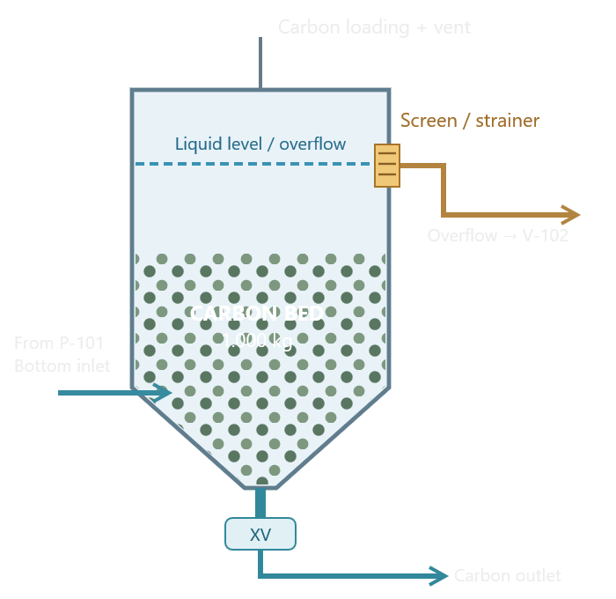
$$Q=4\frac{m^{3}}{h} \\ Q_{Overflow}=Q_{Inlet} \\ Q_{Overflow}=4\frac{m^{3}}{h} \\ Luas Penampang=1.7671 m^{2}$$ Kecepatan superficial naik:
$$V_{s}=\frac{Q}{A} \\ V_{s}=\frac{4}{1.7671} \\ V_{s}=2.264\frac{m}{h}$$
$$V_{c}=\frac{1000}{500} \\ V_{c}=2.000 m^{3}$$
$$H_{above.torent toko}=V_{A}−V_{c} \\ H_{above.torent toko}=5000 −2000 \\ H_{above.torent toko}=3000 m^{3}$$
Bulk Density | Volume Bed |  |  |  |  |  |  |  |  |  |  |  | Perhitungan Overflow
450 kg/m3 | 2.22 m3 |  |  |  |  |  | Volume geometris diatas bed:
500 kg/m3 | 2 m3
550 kg/m3 | 1.82 m3

Opsional Custom Acid Wash Column
Luas Penampang: |  |  |  |  |  |  | Persentase volume bulk bed terhadap vol column
$$F_{A}=40\%$$
$$A= πr^{2}=\frac{πD^{2}}{4}$$

 |  |  |  |  |  |  | Toren Custom
A= $\frac{π{(1.52)}^{2}}{4}={1.767}^{2}$
$$H_{above.custom}=H_{A}−H_{c} \\ H_{above.custom}=2.30 −1.131 \\ H_{above.custom}=1.68 m$$

$$H_{c}=\frac{V_{c}}{A}$$
Tinggi Carbon Bed:
 |  |  |  |  |  |  | Volume geometris diatas bed:
$$H_{above.torent toko}=V_{A}−V_{c} \\ H_{above.torent toko}=4.06 −2000 \\ H_{above.torent toko}=2.064 m^{3}$$

$$H_{bed}=\frac{2.00}{1.767}=1.132 m$$

 |  |  |  |  |  |  | Persentase volume bulk bed terhadap vol column
$$F_{A}=49.21\%$$

Bulk Density | Rumus Volume | Volume Carbon | Tinggi bed
450 kg/m3 | 1000/450 | 2.222 m3 | 1.258
500 kg/m3 | 1000/500 | 2000 m3 | 1.132 |  |  |  | Recirculation Pump Calculation
$$M_{BV}=\frac{2BV}{h}$$
$$Volume bed \\ V_{c}=2 m^{3}$$
$$Rumus: \\ Q_{R}=N_{BV}V_{c} \\ Q_{r}=2\left(2\right) \\ Q_{R}=4\frac{m^{3}}{h}$$
$$Liter per menit: \\ Q_{R,L/min}=\frac{4x1000}{60}=66.67 L/min$$
550 kg/m3 | 1000/550 | 1818 m3 | 1.029

Acid wash & Carbon return syste
$$Q=4\frac{m^{3}}{h} \\ Q_{Overflow}=Q_{Inlet} \\ Q_{Overflow}=4\frac{m^{3}}{h} \\ Luas Penampang=1.7671 m^{2}$$ Kecepatan superficial naik:
$$V_{s}=\frac{Q}{A} \\ V_{s}=\frac{4}{1.7671} \\ V_{s}=2.264\frac{m}{h}$$
 |  |  |  |  |  | Perhitungan Overflow |  |  |  | Configurasi
 |  |  |  |  |  |  |  |  |  | V-101 | Acid wash column dengan conical bottom
 |  |  |  |  |  |  |  |  |  | V-102 | Acid Recirculation Tank, berada lebih rendah daripada overflow V-101
 |  |  |  |  |  |  |  |  |  | P-101 | Mengalirkan liquid dari V-102 menuju bagian bawah V-101
 |  |  |  |  |  |  |  |  |  | Liquid return | Keluar melalui overflow atas V-101, kembali ke V-102 Secara gravitasi
 |  |  |  |  |  |  |  |  |  | Carbon | 1000 kg/batch, dikeluarkan dari bawah V-101 setelah acid wash bro

$$M_{c}=1000 kg \\ V_{c}=\frac{1000}{500}=2 m^{3}$$
Parameter | Simbol | Value | Status |  |  |  |  |  |  |  |  |  |  | Laju Pengeluaran carbon dari V-101 |  | Evaluasii empat waktu transfer
Recirculation Flow | Q | 4 m3/h | PRELIMINARY
Diameter V-101 | Dv | 1.5 | ASSUMED |  |  | Parameter | Simbol | Nilai | Status |  |  |  |  |  |  | Waktu transfer | Laju massa carbon | Laju volume bulk ekuivalen
Panjang pipa overflow | L | 8 m | SCENARIO |  |  | Diameter bagian tabung |  | 1500mm | ASSUMED |  |  |  |  |  |  | 30 menit | 2.000 kg/h | 4.00 m3/h
Darcy friction factor | f | 0.03 | SCENARIO |  |  | Diameter bawah kerucut |  | 150mm | STUDY ONLY |  |  |  |  |  |  | 45 menit | 1.333 kg/h | 2.67 m3/h
Total Minor-loss coefficient | SUM K | 4 | SCENARIO |  |  | Tinggi kerucut |  | 600mm | STUDY ONLY |  |  |  |  |  |  | 60 menit | 1.000 kg/h | 2.00 m3/h
Gravitasi | g | 9.81 m/s2 | STANDARD |  |  | Massa carbon |  | 1000kg | FIXED |  |  |  |  | Untuk menghitung laju pengeluaran rata-rata |  | 90 menit | 667 kg/h | 1.33 m3/h
$${\dot{m}}_{c}=\frac{m_{c}}{t}$$
Available Gravity Head | Delta H | 0.25-1 m | SCENARIO |  |  | Bulk density |  | 500 kg/m3 | ASSUMED
Overflow Piping | Chemical-Compatible |  | HOLD |  |  | Volume bed |  | 2000 m3 | CALCULATED

$$V_{k}=\frac{πH_{k}}{12}(D_{1}^{2}+D_{1}D_{2}+D_{2}^{2})$$
$${\dot{m}}_{c}=\frac{1.000}{1} \\ {\dot{m}}_{c}=1000 kg/h$$
 |  |  |  |  |  | Volume Kerucut Terpancung
Overflow Piping |  |  |  |  |  |  |  |  |  |  |  |  |  | Contoh transfer 60 menit: |  | Skenario | Air tambahan | Volume bulk carbon | Jumlah nominal
 |  |  |  |  |  |  |  |  |  |  |  |  |  |  |  | T-A | 3.00 m3 | 2.00 m3 | 5.00 m3
Debit
$$Q=\frac{4}{3600}=0.001111111 m^{3}/s$$
Luas penampang Pipa:
$$A_{p}=\frac{πD_{p}^{2}}{4} \\ Keterangan \\ A_{p}=Luas penampang internal pipa, m^{2} \\ D_{P}=Diameter internal pipa, m$$ Kecepatan cairan:
$$v=\frac{Q}{A_{p}}=\frac{4Q}{πD_{p}^{2}}$$
Friction head
Persamaan Darcy-Weisbach:
$$h_{f}=f\frac{L}{D_{p}}\frac{v^{2}}{2g}$$
Minor Losses
$$h_{m}=ΣK\frac{v^{2}}{2g}$$
Total Hydraulic Loss:
$$h_{L}= \left(f\frac{L}{D_{p }}+ \sum{K}\right){\left(\frac{v^{2}}{2g}\right)}^{}$$
 |  |  | Diameter pipa : 40, 50, 65, 80 mm |  |  |  |  |  |  |  |  |  |  |  |  | T-B | 4.00 m3 | 2.00 m3 | 6.00 m3
$$V_{k}=\frac{π\left(0.60\right)}{12}\left({1.50}_{}^{2}+1.50\left(0.15\right)+{0.15}_{}^{2}\right)$$
$$V_{k}=0.1570796(2.25+0.225+0.0225)$$
$$V_{k}=0.392306 m^{3}$$
$$V_{k}=392.31 L$$
 |  |  | Diameter Dalam | Kecepatan | Friction + Minor Loss |  |  |  |  |  |  |  |  |  |  | T-C | 5.00 m3 | 2.00 m3 | 7.00 m3
 |  |  | 40 mm | 0.884 m/s | 0.399 m
 |  |  | 50 mm | 0.566 m/s | 0.144 m |  |  |  |  |  |  |  |  | Laju bulk ekuivalen:
$$Q_{b}=\frac{{\dot{m}}_{c}}{ρ_{b}}$$
$$Q_{b}=\frac{1.000}{500} \\ Q_{b}=2.00 m^{3}/h$$
 |  |  | 65 mm | 0.335 m/s | 0.044 m
$$Skenario T−B$$
$$V_{w}=4,00 {\text{m}}^{3}$$
Jika waktu transfer diasumsikan satu jam, debit air rata-rata secara sederhana:
$$Q_{w}=\frac{V_{w}}{t}=\frac{4,00}{1} \\ Q_{w}=4.00 m^{3}/h$$
 |  |  | 80 mm | 0.221 m/s | 0.017 m

 |  |  |  |  |  | Tinggi Carbon bed baru |  |  |  | Sudut kerucut |  | Resume

$$V_{c}=\frac{1000}{500}=2000 m^{3}$$
$$R_{1}=\frac{1.50}{2}=0.750 m \\ R_{2}=\frac{0.15}{2}=0.075 m$$
 |  |  |  |  |  | Volume bulk carbon |  |  |  | Sudut terpancung |  | Parameter | Alternatif A
 |  |  |  |  |  |  |  |  |  |  |  | Diameter Silinder | 1.500 mm
 |  |  |  |  |  |  |  |  |  |  |  | Diameter bawah kerucut | 150 mm
 |  |  |  |  |  |  |  |  |  |  |  | Tinggi kerucut | 600 mm | Evaluasi Awal diameter pipa transfer
 |  |  |  |  |  |  |  |  |  |  |  | Tinggi silinder | 2.607 mm
 |  |  |  |  |  | Volume carbon yang berada pada bagian silinder |  |  |  |  |  | Tinggi total vessel | 3.207 mm | Konversi
$$V_{ccilinder}=V_{c}−V_{k} \\ V_{ccilinder}=2,000 −0.392306 \\ V_{cilinder}=1,607694$$
$$Q=\frac{6}{3600}=0.00166667 m^{3}/s$$
 |  |  |  |  |  |  |  |  |  |  |  | Volume total | 5.000 L
 |  |  |  |  |  |  |  |  |  |  |  | Volume carbon | 2.000 L
 |  |  |  |  |  |  |  |  |  | Selisih radius: |  | Tinggi carbon bed | 1.510 mm
$$∆R=R_{1}−R_{2}=0.675$$
 |  |  |  |  |  |  |  |  |  |  |  | Tinggi ruang atas carbon | 1.698 mm
 |  |  |  |  |  |  |  |  |  |  |  | Volume ruang atas carbon | 3.000 L | Rumus kecepatan:
$$v=\frac{4Q}{πD_{p}^{2}}$$
$$A_{p}=\frac{π{\left(0,05\right)}^{2}}{4}=0,00196350 {\text{m}}^{2}$$
$$v=\frac{0,00166667}{0,00196350} \\ v=0.84883 m/s$$
 |  |  |  |  |  |  |  |  |  |  |  | Sudut kerucut terhadap horizontal | 41.63 Derajat

 |  |  |  |  |  | Luas penampang silinder |  |  |  | Sudut dinding terhadap horizontal:
$$A=\frac{π{\left(1.50\right)}^{2}}{4} \\ A=1.767146 m^{2}$$
$$θ=\tan^{−1}\left(\frac{H_{k}}{ΔR}\right)$$
$$θ=\tan^{−1}\left(\frac{0,600}{0,675}\right) \\ ={41.63}^{o}$$

 |  |  |  |  |  |  |  |  |  |  |  |  |  | Diameter internal | Kecepatan nominal
 |  |  |  |  |  |  |  |  |  |  |  |  |  | 40 mm | 1.326 m/s
 |  |  |  |  |  |  |  |  |  |  |  |  |  | 50 mm | 0.849 m/s
 |  |  |  |  |  | Tinggi carbon pada bagian silinder |  |  |  |  |  |  |  | 65 mm | 0502 m/s
$$H_{ccilinder}=\frac{1.607694}{1.767146} \\ H_{ccilnder}=0.909768 m$$
 |  |  |  |  |  |  |  |  |  |  |  |  |  | 80 mm | 0.332 m/s
 |  |  |  |  |  |  |  |  |  | Sudut terhadap vertikal |  |  |  | 100 mm | 0.212 m/s
$$α={90}^{∘}−θ \\ α={48.37}^{o}$$

 |  |  |  |  |  | Sehingga tinggi total bed dari ujung kerucut
$$H_{ctotal}=H_{k}+H_{ccilinder} \\ H_{ctotal}=0.600+0.909768 \\ H_{Ctotal}=1.509768 m$$

Plant Elevation & Equipment Lay
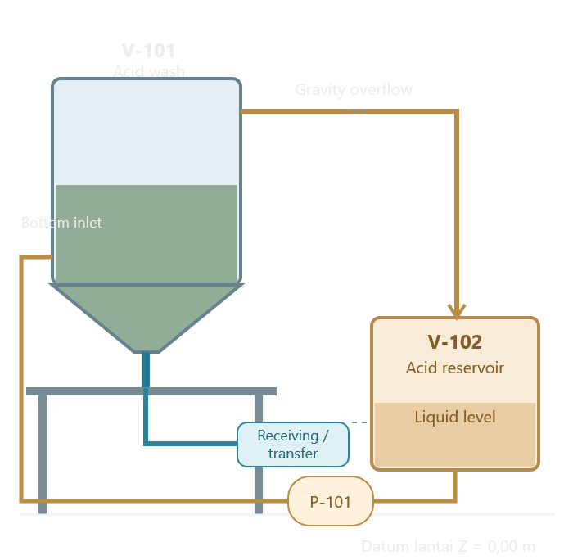

1 | Elevasi pemasangan acid wash column v-101
2 | posisi acid recirculation Tank v-102
3 | Beda ketinggian untuk overflow gravitasi
4 | Ruang dibawah hopper untuk carbon discharge

 |  | 1 | Basis desain CALC-06
 |  |  | Parameter | Simbol | Nilai
 |  |  | Carbon per batch | Mc | 1000 kg
 |  |  | Diameter V-101 | D1 | 1500 m
 |  |  | Diameter cone outlet | D2 | 0.150 m (asumsi)
 |  |  | Tinggi cone | Hk | 0.600 m (asumsi
 |  |  | Volume vessel A | VA | 5000 m3
 |  |  | Volume vessel B | VB | 3.396 m3
 |  |  | Tinggi vessel A | HA | 3.207 m
 |  |  | Tinggi vessel B | HB | 2.300 m
 |  |  | Debit recirculation acuan | QR | 4.000 m3/h
 |  |  | Debit transfer acuan | QT | 6.000 m3/h
 |  |  |  |  |  | 3 |  |  |  |  |  |  | 5
 |  | 2 | Elevasi pemasangan V-101 |  |  | Posisi overflow V-101 |  |  | Verifikasi terhadap rugi pipa overflow |  |  |  | Clearance carbon terhadap overflow
$$H_{\text{remaining}}=ΔH−h_{L}$$
$$H_{\text{remaining}}=1,250−0,04396 \\ H_{Remaining}=1.20604 m$$
 |  |  | Elevasi | A (meter) | B (meter) | asumsikan titik kontrol overflow berada 250 mm dibawah elevasi atas silinder |  |  |  |  |  |  | Hcarbon | = | 1.50977 | meter
$$Z_{OF}=Z_{top}−H_{Offset}$$
 |  |  | Lantai | 0 | 0 |  |  |  |  |  |  |  | Elevasi atas carbon
 |  |  | Ujung bawah cone | 1.2 | 1.2 |  |  |  |  |  |  |  | Zcarbon | = | 2.70977 | meter
 |  |  | Cone to cylinder join | 1.8 | 1.8 | Alternatif A | Alternatif B
 |  |  | Atas vessel | 4.407 | 3.5 | 4.15742 | 3.25 |  |  |  |  | 4 | Clearance vertical antara carbon bed statis dan overflow
$$H_{clearance}=Z_{OF}−Z_{Carbon}$$
 |  |  |  |  |  |  |  |  | Case | Available Head (m) | Pipe Loss (m) | Sisa Head (m)
 |  |  | Alternatif A memerlukan ruang vertikal lebih tinggi sekitar 907 mm dibanding B, pada datum hopper outlet yang sama. |  |  |  |  |  | A - Normal | 2.657 | 0.044 | 2.613
 |  |  |  |  |  |  |  |  | A - High | 2.157 | 0.044 | 2.113 | Alternative A | = | 1.44765
 |  |  |  |  |  |  |  |  | B - normal | 1.75 | 0.044 | 1.706 | Alternative B | = | 0.54023
 |  |  |  |  |  |  |  |  | B - High | 1.25 | 0.044 | 1.206

 |  |  |  |  |  | Resume
 |  |  |  |  |  | Plant Elevation & Equipment Layout - Preliminary Complete
 |  |  |  |  |  | Parameter | Alternatif A (meter) | Alternatif B (meter)
 |  |  |  |  |  | Vessel top | 4.407 | 3.5
 |  |  |  |  |  | Overflow | 4.157 | 3.25
 |  |  |  |  |  | Cone discharge | 1.2 | 1.2
 |  |  |  |  |  | Clearance bed overflow | 1.448 | 0.54
 |  |  |  |  |  | Gravity head, V-102 High | 2.157 | 1.25

EQUIPMENT CAPACITY & STRUCTURAL
1 | Vessel Kosong
2 | Vessel terisi 1k kg carbon
3 | Vessel terisi carbon dan cairan sampai level operasi
$$V_{\text{occupied,A}}=V_{A}−V_{\text{free}}$$
4 | Vessel mencapai kondisi volume geometris maksimum
5 | beban diteruskan ke rangka penyangga
 |  |  |  |  |  | 1 |  |  |  |  | 2
 | Design basis |  |  |  |  | Volume carbon dan Rongga |  |  |  |  | Volume cairan pada level operasi |  |  |  | Parameter | Alternatif A (liter) | Alternatif B (liter) | 3
 | Parameter | Simbol | Nilai | Status |  | Volume Bulk Carbon: |  |  |  |  | Posisi overflow 250 mm dibawah top vessel |  |  |  | Volume geometris total | 5000 | 3396
$$V_{c}=\frac{m_{c}}{ρ_{b}}$$
$$V_{\text{free}}=Ah_{o}$$
 | Carbon per batch |  | 1000 kg | FIXED |  |  |  |  |  |  |  |  |  |  | Volume sampai overflow | 4558 | 2955
 | Bulk density carbon |  | 500 kg/m3 | ASSUMED |  |  |  |  |  |  |  |  |  |  | Volume material carbon | 1200 | 1200
 | Diameter silinder |  | 1.50 m | ASSUMED |  |  |  |  |  |  | Luas penampang: |  |  |  | Volume cairan contoh | 3358 | 1755
$$A=\frac{πD^{2}}{4}$$
 | Diameter cone outlet |  | 0.15 m | TEST |  | Vc | = | 2 | m3 |  |  |  |  |  | Ruang atas overflow | 442 | 442
 | tinggi cone |  | 0.60 m | TEST |  | Volume rongga antar butir:
$$V_{\text{void}}=εV_{c}$$
 | volume A |  | 5.000 m3 | CALCULATED |  |  |  |  |  |  |  |  |  |  | Asumsi seluruh bed terendam
 | volume B |  | 3.396 m3 | CALCULATED |  |  |  |  |  |  | A = | 1.76625
 | porositas bed |  | 0.4 | ASSUMED |  | Vvoid | = | 0.8 | m3 |  | A = | 0.4415625 | m3
 | densitas cairan contoh |  | 1000 kg/m3 | WATER BASIS |  | Volume padatan carbon dalam bed
$$V_{\text{solid}}=\left(1−ε\right)V_{c}$$
 | jarak overflow dari top |  | 0.25 m | ASSUMED
 | gravity |  | 9.81 m/s2 | STANDARD
 |  |  |  |  |  | Vsolid | = | 1.2 | m3

$$V_{L,max}=V_{\text{vessel}}−V_{\text{solid}}$$
$$m_{L}=ρ_{L}V_{L}$$
 |  | 4 |  |  |  | 5 |  |  |  |  | 6
 | Perhitungan massa dan beban cairan |  |  |  | Perhitungan Beban Carbon |  |  |  |  | Beban isi maksimum geometris |  |  |  | Kondisi Isi | Value | 7
 |  |  |  |  | Massa Carbon | = | 1000 | kg |  |  |  |  |  | Carbon Doang (kering, tanpa cairan) | 9.819 kN
 |  |  |  |  | Beban akibat gravitasi |  |  |  |  |  |  |  |  | Carbon + Liquid level operasi | 42.754 kN
$$W_{c}=m_{c}g$$
 | Basis water | = | 1 | kg/m3 |  |  |  |  |  | vL, max, A | = | 3800 | m3 | Carbon + Liquid volume max | 47.008 kN
 | mL,A | = | 3358 | kg | Wc | = | 9.81 | kN
 |  |  |  |  |  |  |  |  |  | Massa isi total:
 | Beban gravitasi cairan |  |  |  |  |  |  |  |  | mMax, a | = | 4800 | kg
$$W_{L,A}=m_{L,A}g$$
 |  |  |  |  | Total beban | = | 42.75198 | kN
 |  |  |  |  |  |  |  |  |  | Beban:
 | wL,A | = | 32.94198 | kN |  |  |  |  |  | wMAX,A | = | 47.088 | kN

$$m_{\text{total}}=m_{\text{carbon}}+m_{\text{liquid}}+m_{\text{vessel}}+m_{\text{internals}}+m_{\text{attached equipment}}$$
$$W_{\text{total}}=m_{\text{total}}g$$
$$m_{\text{total}}=42.754+m_{\text{liquid}}+m_{\text{vessel}}+m_{\text{internals}}+m_{\text{attached equipment}}$$
$$R_{\text{avg}}=\frac{W}{n}$$
 | Perhitungan Total Beban Struktur
 |  |  |  |  |  |  | Screening pada empat kaki penyangga
8 |  |  |  |  |  |  |  |  |  |  | 9
 |  |  |  |  |  |  |  |  |  |  |  |  |  |  |  | Equipment Capacity & Structural load register
 |  |  |  |  |  |  |  |  |  |  |  |  |  |  |  | Tag | Equipment | Capacity/duty | Beban/Status
 |  |  |  |  |  |  | dengan n =4 (kakinya 4 biji njir) |  |  |  |  |  |  |  |  | V-101 A | Acid Wash Column A | 5000 L geometris | Isi normal 42.754 kN
 |  |  |  |  |  |  | R avg | = | 10.6885 | kN/kaki |  |  |  |  |  | V-102 | Acid Recirculation Tank | 3.396 L geometris | Isi normal 27.023 kN
 |  |  |  |  |  |  |  |  |  |  |  |  |  |  |  | P-101 | Acid Circulation Pump | Acuan 4 m3/h | HOLD Spek
 |  |  |  |  |  |  |  |  |  |  |  |  |  |  |  | SC-101 | Overflow carbon screen | Unknown | HOLD
 |  |  |  |  |  |  |  |  |  |  |  |  |  |  |  | XV-101 | Bottom carbon discharge | Outlet studi D150 mm | HOLD
 |  |  |  |  |  |  |  |  |  |  |  |  |  |  |  | P-102 | Carbon transfer piump | Unknown | HOLD Spek
 |  |  |  |  |  |  |  |  |  |  |  |  |  |  |  | ST-101 | Elevated Support Structure | menopang V-101 | HOLD Design Structure

 |  |  |  |  |  |  |  |  |  |  |  |  |  |  |  | Equipment Capacity & Structural Load - Preliminary
 |  |  |  |  |  |  |  |  |  |  |  |  |  |  |  | Force | = | 42.754 kN
 |  |  |  |  |  |  |  |  |  |  |  |  |  |  |  |  | = | 4.358 kg massa isi

EQUIPMENT ARANGEMENT
Design basis |  |  | Elevation Arrangement |  |  |  | Gravity overflow verification |  |  | Footprint & Maintenance clearance |  |  |  | Operating Envelope
Parameter | Simbol | Nilai | Elevasi lantai | = | 0 | m | Parameter | Nilai |  | Parameter | Trial | Status |  | Carbon bulk volume | 2 | m3
Carbon per batch |  | 1000 kg | Ujung bawah cone | = | 1.2 | m | Flow Q | 4 m3/h |  | Diameter V-101 | 1.5 | ASSUMED |  | Liquid inventory | 1.755 | m3
Bulk density carbon |  | 500 kg/m3 | Tinggi cone | = | 0.6 | m | Pipa return, diameter dalam | 65 mm |  | Clearance akses setiap sisi | 1 | HOLD |  | Combined contents mass | 2.755 | kg
Diameter silinder |  | 1.50 m | Overflow crest | = | 0.25 | m | Panjang pipa | 8 m |  | Jarak footprint antar vessel | 1 | HOLD |  | Combined contents load | 27.0123 | kN
$$Z_{top}=Z_{out}+H_{vessel}$$
Diameter cone outlet |  | 0.15 m |  |  |  |  | Darcy friction factor | 0.03 |  | Lebar jalur inspeksi | 1 | HOLD |  | Clearance bed top overflow | 0.54 | m
tinggi cone |  | 0.60 m |  |  |  |  | Minor loss coefficient | 4 |  | Clearance bawah cone outlet | 1 | HOLD
volume A |  | 5.000 m3 | Ztop | = | 3.5 | m | Level normal V-102 | 1.500 m
$$L_{envelope}=D+2C$$
volume B |  | 3.396 m3 |  |  |  |  | Level high V-102 | 2.000 m
porositas bed |  | 0.4
$$H_{available}=Z_{overflow}−Z_{V102}$$
densitas cairan contoh |  | 1000 kg/m3 |  |  |  |  | Head tersedia (pendekatan awal) |  |  | D | = | 1.5 | m
jarak overflow dari top |  | 0.25 m |  |  |  |  |  |  |  | C | = | 1 | m
gravity |  | 9.81 m/s2 |  |  |  |  | Normal kondisi: |  |  | L envelope | = | 3.5 | m
 |  |  |  |  |  |  | HB | = | 1.75 | A envelope | = | 12.25 | m2
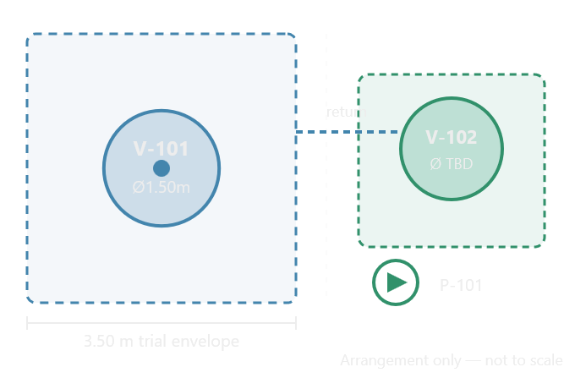
 |  |  |  |  |  |  | Rugi head | = | 0.04396
 |  |  |  |  |  |  | H margin | = | 1.70604
 |  |  |  |  |  |  |  |  |  | Diameter dasar vessel | 1.5 | m
 |  |  |  |  |  |  | Available Head, normal | 1.75 | m | trial envelope panjang | 3.5 | m
 |  |  |  |  |  |  | Available Head, high | 1.25 | m | trial envelope lebar | 3.5 | m
 |  |  |  |  |  |  | Margin normal setelah loss | 1.706 | m | trial envelope area | 12.25 | m2
 |  |  |  |  |  |  | Margin high setelah loss | 1.206 | m

MAINTENANCE CLEARANCE & ACCESS
MAINTENANCE CLEARANCE & ACCESS ARANGEMENT

$$H_{access}=Z_{overflow}−Z_{deck}$$
BASIS DESIGN |  |  | Zona | Equipment | Kebutuhan | Upper maintenance Access
PARAMETER | VALUE | Satuan | MZ-01 | V-101 Upper | Overflow, screen SC-101, inspeksi | Z Deck trial | = | 1.8 | m
V-101 Total Volume | 3.396 | m3 | MZ-02 | V-101 Body | Shell, nozzle, instrumen
Cylinder diameter | 1.5 | m | MZ-03 | V-101 Bottom | Cone, XV-101, Carbon discharge
Total height | 2.3 | m | MZ-04 | V-102 | Level, vent, inspeksi, cleaning | H Access | = | 1.45 | m
Cone Height | 0.6 | m | MZ-05 | P-101 | Seal, Coupling, Motor, valve, maintenance
Cone outlet diameter | 0.15 | m |  |  |  | Parameter | Value | Satuan
Carbon mass | 1000 | kg |  |  |  | Trial deck elevation | 1.8 | m
Cone outlet elevation | 1.2 | m |  |  |  | Overflow elevation | 3.25 | m
Carbon bed top elevation | 2.71 | m |  |  |  | Vertical Differenace | 1.45 | m
Overflow elevation | 3.25 | m
Vessel top elevation | 3.5 | m
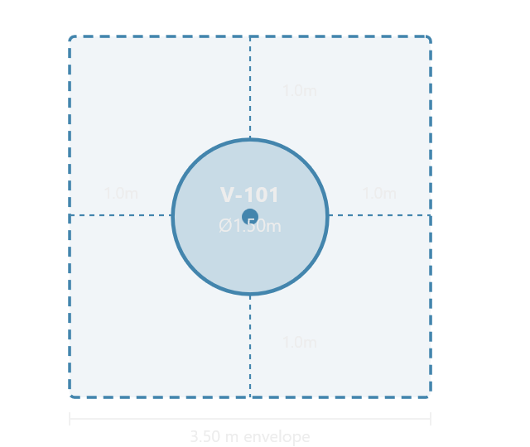

 |  |  |  |  |  | \

P&ID Register
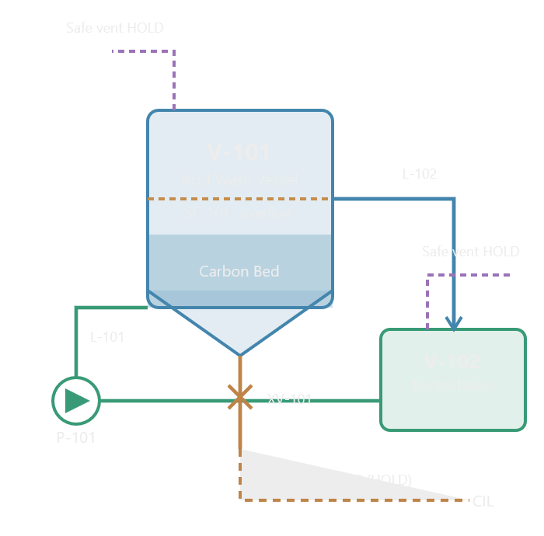

Preliminary P&ID Register & Safety Interlock Philosophy

Tak | Equipment | Function | Status
V-101 | Acid Wash Carbon Vessel | Menampung Carbon untuk washing
V-102 | Recirculation Solution Tank | Reservoir cairan sirkulasi
P-101 | Chemical Recirculation Pump | Aliran V-102 ke V-101
SC-101 | Carbon Retention Screen | Memisahkan carbon dari overflow
XV-101 | Bottom Carbon Isolation Valve | Isolasi discharge carbon
P-102 | Carbon Transfer Pump | Kandidate T2
TK-103 | Carbon transfer receiver | Kandidate T2
ED-101 | Hydraulic Eductor | Kandidate T3
S2 | Elevated Structural Platform | Support
WT-101 | Contained Waste Interface | Discharge limbah ke treatment
VG-101 | Offgass Treatment Interface | Pengendalian gas/emisi

Process Line Register
Line IDm | From -> To | Service | Nominal Flow | Status
L-101A | V-102 -> P-101 | Pump suction | 4 m3/h trial
L-101B | P-101 to V-101 Bottom inlet | recirculation supply | 4 m3/h trial
L-102 | V-101 SC-101 to V-102 | Gravity overflow return | 4 m3/h trial
L-103 | V-101 XV-101 to Transfer Interface | Wet carbon discharge | TBD
L-104 | Approved HCL Supply to Wash circuit | Acid dosing | TBD
L-105 | Approved rinse supply to Wash Circuit | Rinse/flush | TBD
L-106 | V-101/V-102 to Contained Treatment | Waste liquid | TBD
L-107 | V-101 to Approved offgass system | Vent/offgas | TBD
L-108 | V-102 to Approved offgass system | Vent/offgas | TBD
L-109 | Approved zadra carbon interace to V-101 | Carbon reception | BATCH
L-110 | Transfer interface to CIL | Carbon return | BATCH
L-111 | Bund/safe collection to treatment | Spill collection | TBD

Valve Register
Tak | Lokasi/ Fungsi | Filosofi | Gate
XV-101 | V-101 Cone outlet | Carbon discharge isolation
XV-102 | P-101 Suction | Maintenance isolation
XV-103 | P-101 Discharge | Maintenance isolation
NRV-101 | P-101 Discharge | Backflow prevention candidate
XV-104 | L-102 Overflow branch | Isolation untuk maintenance, dengan proteksi level independen
XV-105 | HCL dosing interface | Safety isolation candidate
XV-106 | Rinse water interface | controlled isolation
XV-107 | Waste liquid outlet | Segregated waste isolation
XV-108 | Carbon return boundary | Positive isolation concept

Instrument Register
Tag | Instrument | Function
LT-101 | V-101 Level transmitter | Monitor level wash vessel
LSHH-101 | Independent V-101 High-high level | Overfill protection input
LT-102 | V-102 Level transmitter | Monitor liquid inventory
LSLL-102 | V-102 low-low level switch | Pump dry-running protection
FIT-101 | Recirculation flow transmitter | Monitor P-101 flow
PIT-101 | Pump discharge preassure | Monitor abnormal retriction
PDT-101 | SC-101 Differential preassure | Screen fouling detection candidate
AIT-101 | V-101 pH analyser | chemistry monitoring
AIT-102 | Carbon clearance analytical interface | Record approved lab clearance result
TT-101 | V-101 temperature | Temperature monitoring
GD-101 | HCN area gas detector | Personnel/Process hazard alarm input
GD-102 | Additional HCN Detector candidate | Coverage subject to gas mapping
ZS-101 | XV-101 position feedback | Confirm isolation position
ESD-101 | Emergency shutdown input | Emergency response interface

Preliminary cause-effect matrix
IDE | Trigger/Condition | Required protecive intent
SI-01 | Carbon clearance belum disetujui | Inhibit HCL admission
SI-02 | Segregation boundary tidak terbukti | Inhibit acid admission dan transfer yang tidak aman
SI-03 | HCN gas detection alarm | Operator warning, protective response sesuai HAZOP
SI-04 | Offgass treatment unavailable | Inhibit hazardous chemical operation
SI-05 | V-101 high-high level | Stop incoming flow, prevent overfill
SI-06 | V-102 low-low level | Protect P-101 against dry running
SI-07 | P-101 low-flow/ abnormal discharge preassure | Alarm/trip berdasarkan validated pump envelope
SI-08 | SC-101 excessive differential preassure | Inhibit unsafe continued circulation
SI-09 | V-101/V-102 abnormal temperature | Alarm/trip based on approved limits
SI-10 | XV-101 wrong position | Prevent conflicting process modes
SI-11 | Waste route unavailable/ full | Inhibit discharge into uncontained destination
SI-12 | CIL return not cleared | Block carbon return
SI-13 | Emergency shutdown activated | Drive process to analysed safe state
SI-14 | Critical instrument fault/loss of signal | Prevent unsafe permissive or operation

Prelim Master GA & PID Drawing
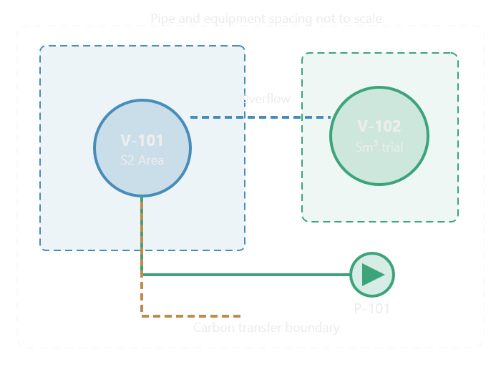
 |  |  | Preliminary Master GA & P&ID Drawing Package
Drawing No. | Drawing Title | Gate
GA-001 A | V-101 General Arrangement |  |  | PID-101 Line ownership
GA-001 B | V-101 General Arrangement |  |  | Line | Source | Destination | Duty
GA-002 | Equipment Plot Plan |  |  | L-101 A | V-102 | P-101 Suction | Chemical Recirculation
GA-003 | Elevation & Platform S2 |  |  | L-101 B | P-101 | V-101 lower inlet | Upflow supply
GA-004 | Maintenance & Access Zones |  |  | L-102 | SC-101 Outlet | V-102 | Gravity overflow return
PID-001 | Acid Wash Recirculation Master |  |  | L-103 | XV-101 outlet | Transfer Boundary | Carbon discharge
PID-002 | Chemical/Rinse/Waste Interfaces
PID-003 | Carbon Transfer to CIL |  |  | CALC-10F - PID-002/003/004 Register
PID-004 | Instrument & Interlock Functions |  |  | Drawing | Included Interface | Open Requirement | Status
MEC-001 | Vessel Support & Load Inte |  |  | PID-002 | L-104 HCl Supply | Dedicated safe dosing/ segregation design
REG-001 | Equipment , Nozzle, Line schedule |  |  | PID-002 | L-105 Rinse source | backflow prevention, rinse clearance
REG-002 | Open Items & Design Freeze Register |  |  | PID-002 | L-106 Waste | Segregated and contained treatment
 |  |  |  | PID-002 | L-107/ L-108 Vents | Gas handling, HCN risk controls
 |  |  |  | PID-003 | L-109 Zadra carbon reception | Cyanide-clearance boundary
 |  |  |  | PID-003 | L-110 CIL carbon return | Safe post-wash return
 |  |  |  | PID-003 | T1/T2/T3 Transfer alternatives | Selection and hydraulic evidence
 |  |  |  | PID-004 | LT/LSHH/LSLL/FIT/PIT/PDT/AIT/TT | Instrument functions
 |  |  |  | PID-005 | GD/ESD/ZS | Protective monitoring and shutdown
 |  |  |  | PID-006 | SI-01 to SI-14 | Interlock requirement register

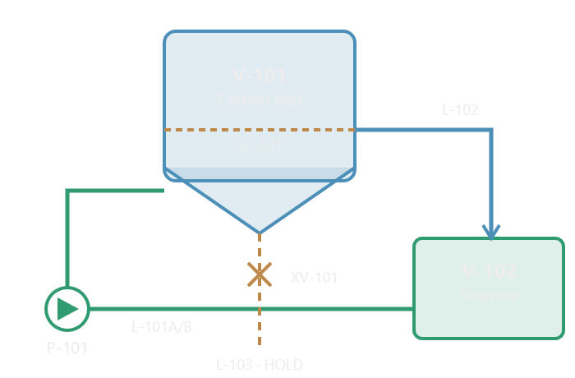
 |  |  |  | CALC-10G - Master Equipment / Nozzle/ Interface Schedule
 |  |  |  | Nozzle | Equipment | Service | Status
 |  |  |  | N101-01 | V-101 | Lower recirculation inlet
 |  |  |  | N101-02 | V-101 | Top liquid overflow
 |  |  |  | N101-03 | V-101 | Cone carbon discharge
 |  |  |  | N101-04 | V-101 | Vent/offgass connection
 |  |  |  | N101-05 | V-101 | Rinse/ Approved chemical interface
 |  |  |  | N101-06 | V-101 | Level/ temperature instrument
 |  |  |  | N102-01 | V-102 | Recirculation Suctions
 |  |  |  | N102-02 | V-103 | Gravity liquid return
 |  |  |  | N102-03 | V-104 | Waste/drain interface
 |  |  |  | N102-04 | V-105 | Vent/Offgass connection
 |  |  |  | N102-05 | V-106 | Level/Instrument interface

 |  |  |  | Design Freeze Register
 |  |  |  | IDE | Item | Classification | Control
 |  |  |  | DF-01 | 1000 kg carbon/batch | CONFIRMED | Retain
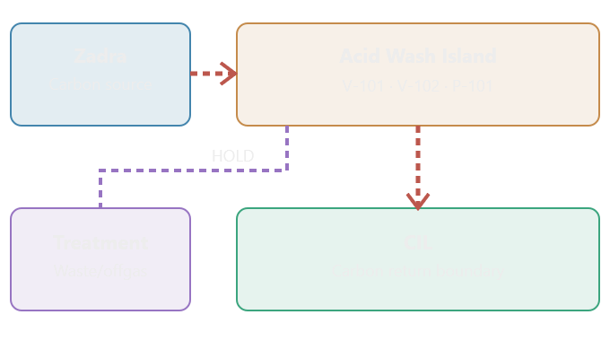
 |  |  |  | DF-02 | V-101 dan V-102 Architecture | CONFIRMED | Retain
 |  |  |  | DF-03 | Conical bottom | CONFIRMED | Retain
 |  |  |  | DF-04 | Gravity carbon discharge concept | CONFIRMED | Retain
 |  |  |  | DF-05 | Upflow through bed | CONFIRMED | Retain
 |  |  |  | DF-06 | top overflow via SC-101 | CONFIRMED | Retain
 |  |  |  | DF-07 | V-102 below overflow | CONFIRMED | Retain
 |  |  |  | DF-08 | B: 3.396 m3 | STUDY BASIS | Retain
 |  |  |  | DF-09 | D1500, cone H600, outlet D150 | STUDY BASIS | Retain
 |  |  |  | DF-10 | 4m3/h recirculation | ASSUMED | Verify
 |  |  |  | DF-11 | S2 preferred candidate | ASSUMED | Verify
 |  |  |  | DF-12 | Commercial water-tank conctruction | PROPOSED | Evaluate
 |  |  |  | DF-13 | T1/T2/T3 carbon transfer | NOT APPROVED | HOLD
 |  |  |  | DF-14 | Acid washing chemistry | UNSELECTED | HOLD
 |  |  |  | DF-15 | HCN Protection/physical segregation | UNVALIDATED | CRITICAL HOLD
 |  |  |  | DF-16 |  | UNVALIDATED | CRITICAL HOLD

